list
 |  |  |  |  |  |  |  |  |  |  |  |  |  |  |  |  |  | AVIABILITY
 |  |  |  |  |  |  |  |  |  |  |  |  |  |  |  |  |  | 426 | 36 | 37 | 38 | 39.5 | 40.5 | 42 | 43
ARTICLE | IMAGE 1 | IMAGE 2 | IMAGE 3 | IMAGE 4 | IMAGES MATCH | FULL ARTICLE | COLOR | COLOR DESCRIPTION | PRODUCT NAME | SUPPL. CATEGORY | SUPPL. DESCRIPTION | PARENT GROUP | GENDER | BRAND | MADE IN | RRP EURO | PRICE | QTY | 5 | 6 | 7 | 8 | 9 | 10 | 11
1016501 | 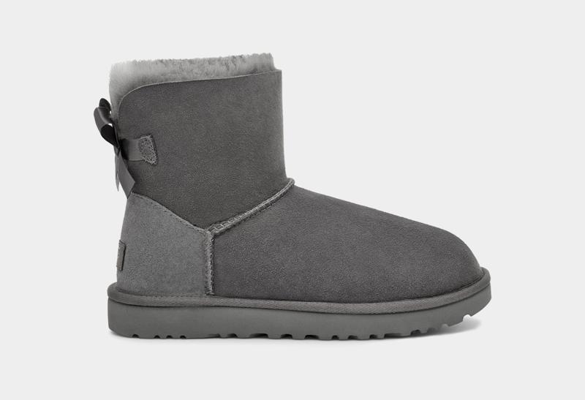 | 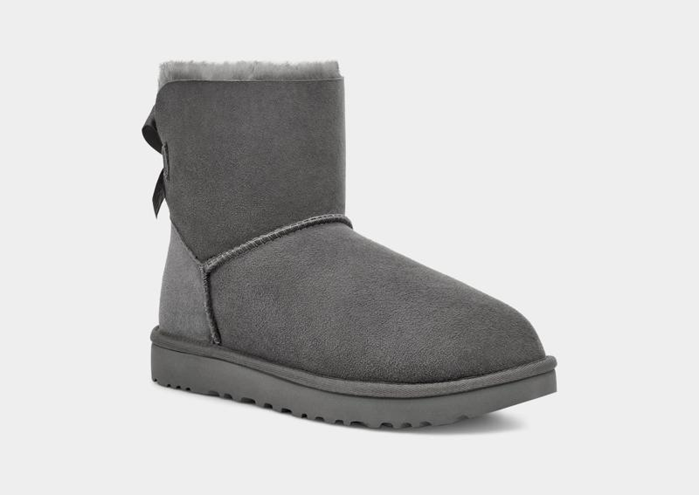 | 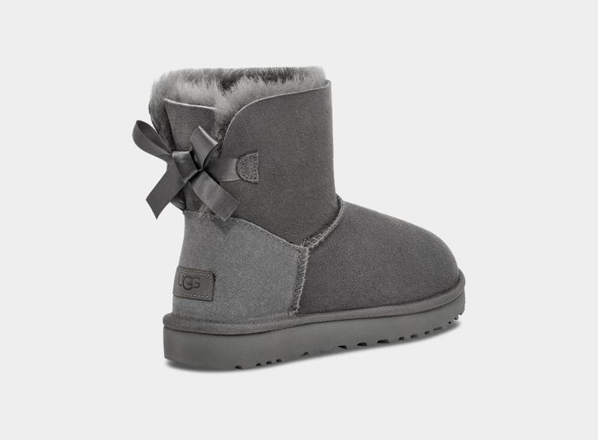 | 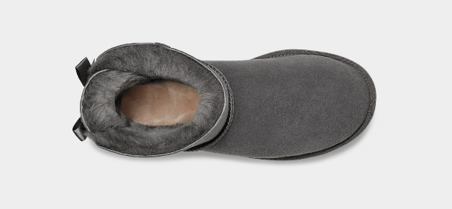 | YES | 1016501GREY | GREY | GREY | ANKLE BOOTS | MINI BAILEY BOW II | SHOES: HEEL HEIGHT - 6 CM; SHOES: LEG BOOT HEIGHT - 1 1/4 CM ;BELT: LENGTH - 13,5 CM | ADULT | FEMALE | UGG | VIETNAM | €219.95 | € 139.75 | 24 | 6 | 6 | 6 | 6
1116109 | 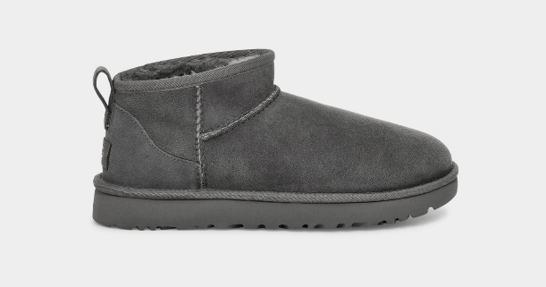 | 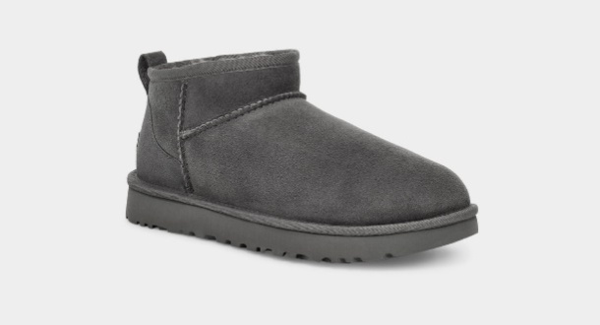 | 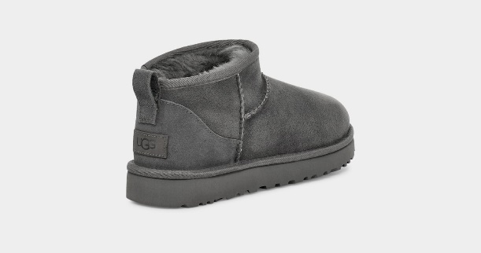 | 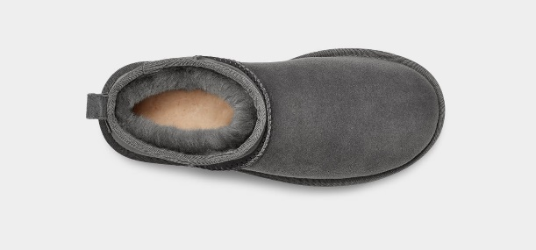 | YES | 1116109GREY | GREY | GREY | ANKLE BOOTS | CLASSIC ULTRA MINI | SHOES: HEEL HEIGHT - 3.5 CM; SHOES: LEG BOOT HEIGHT - 1 1/4 CM ;BELT: LENGTH - 12,7 CM | ADULT | FEMALE | UGG | CHINA | €169.95 | € 111.43 | 96 |  | 9 | 24 | 24 | 24 | 6 | 9
1016223 | 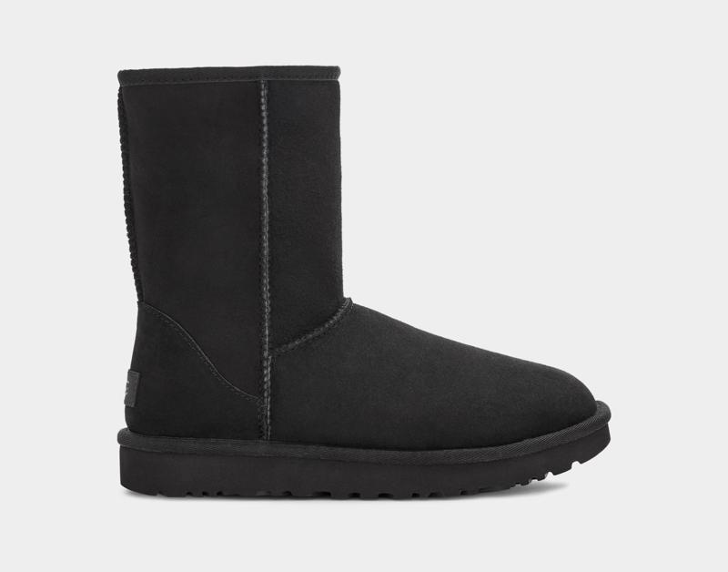 | 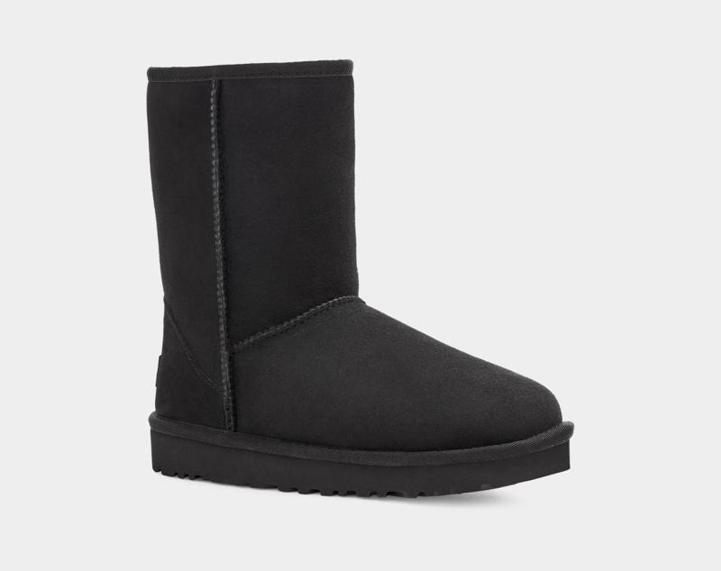 | 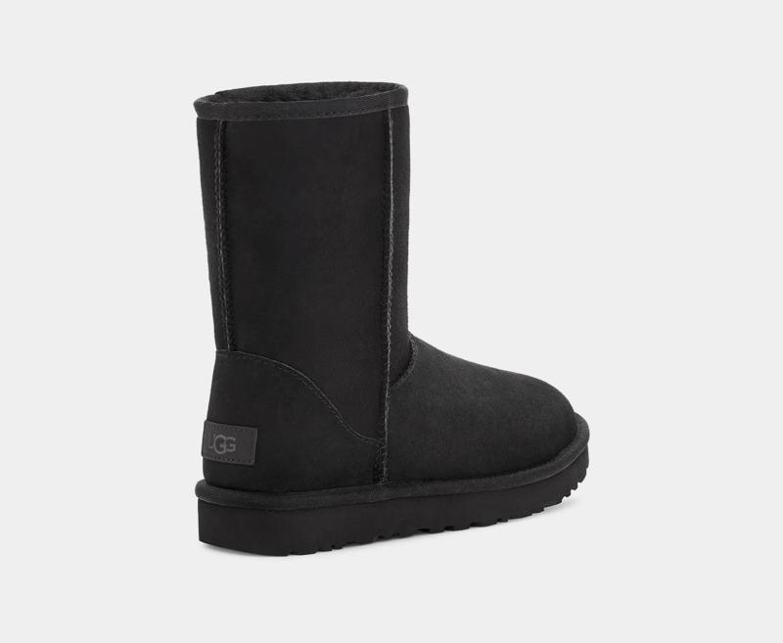 | 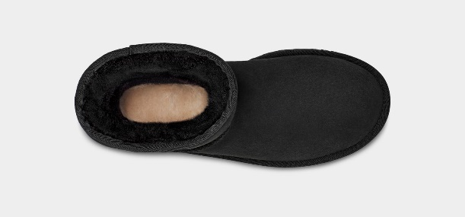 | YES | 1016223BLK | BLK | BLACK | BOOTS | CLASSIC SHORT II | SHOES: HEEL HEIGHT - 8 CM; SHOES: LEG BOOT HEIGHT - 1 1/4 CM ;BELT: LENGTH - 15 CM | ADULT | FEMALE | UGG | CHINA | €229.95 | € 145.42 | 24 | 6 | 6 | 6 | 6
1016225 | 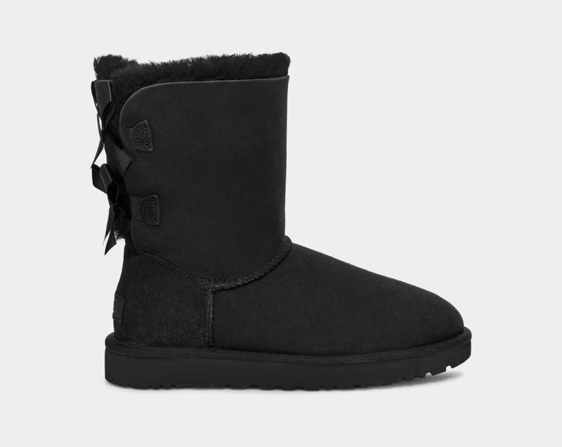 | 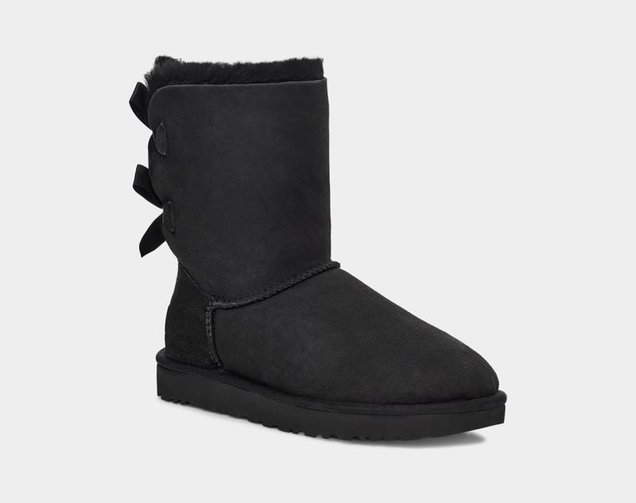 | 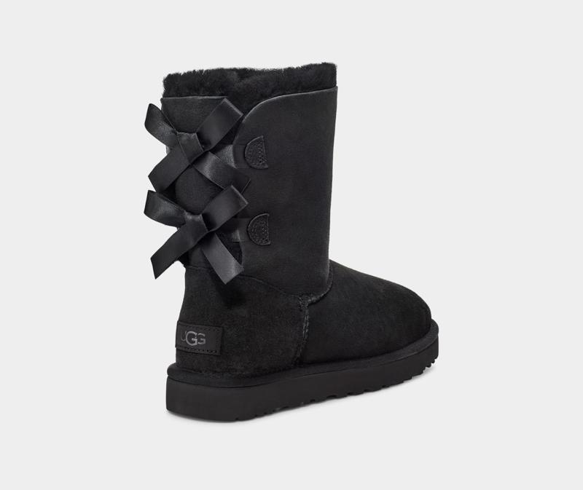 | 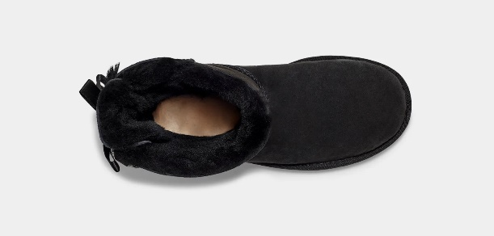 | YES | 1016225BLK | BLK | BLACK | BOOTS | BAILEY BOW II | SHOES: HEEL HEIGHT - 8 CM; SHOES: LEG BOOT HEIGHT - 1 1/4 CM ;BELT: LENGTH - 13,8 CM | ADULT | FEMALE | UGG | CHINA | €249.95 | € 156.75 | 54 |  | 6 | 12 | 12 | 12 | 6 | 6
1016226 | 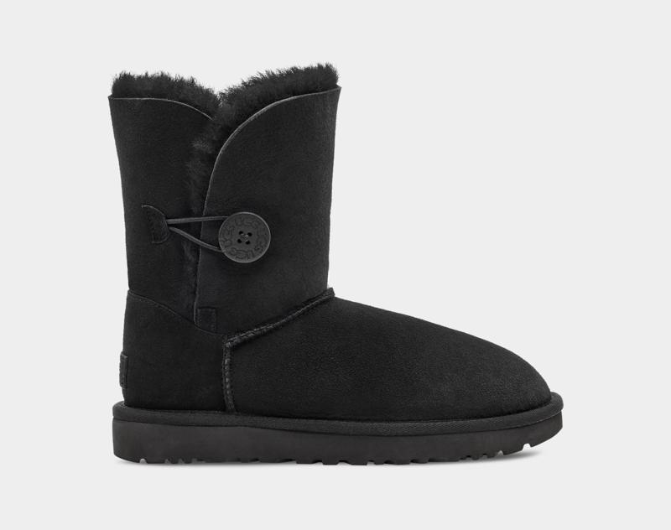 | 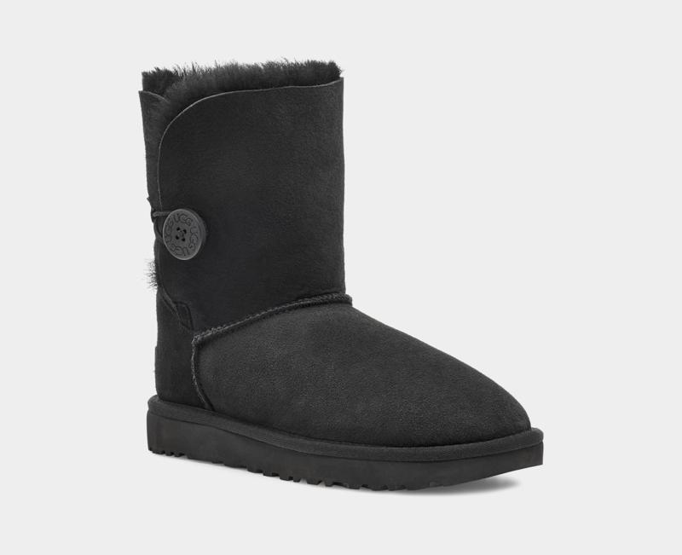 | 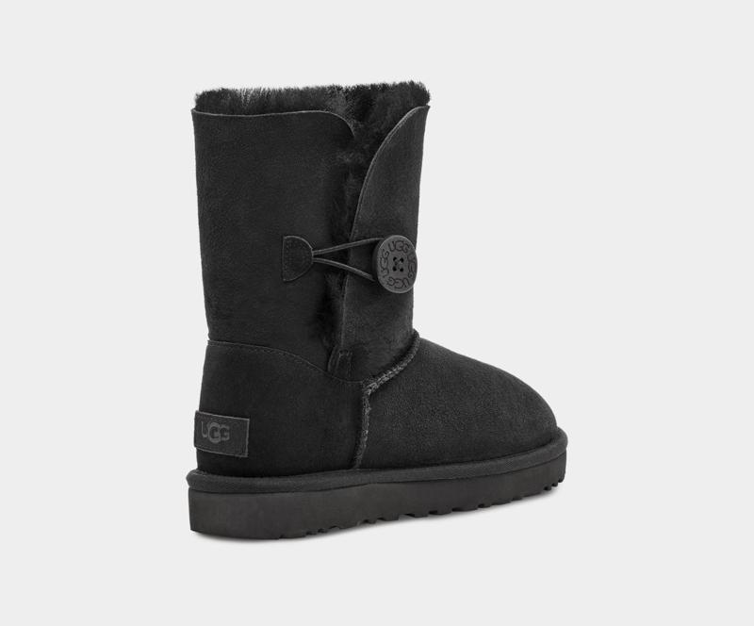 | 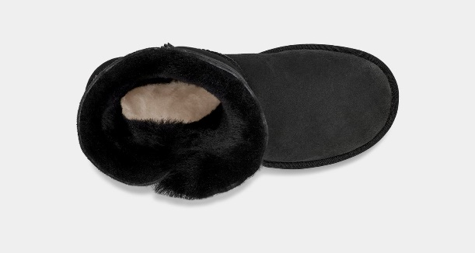 | YES | 1016226BLK | BLK | BLACK | BOOTS | BAILEY BUTTON II | SHOES: HEEL HEIGHT - 7.5 CM; SHOES: LEG BOOT HEIGHT - 1 1/4 CM ;BELT: LENGTH - 15 CM | ADULT | FEMALE | UGG | PHILIPPINES | €239.95 | € 151.08 | 48 |  | 6 | 12 | 12 | 0 | 12 | 6
1106872 | 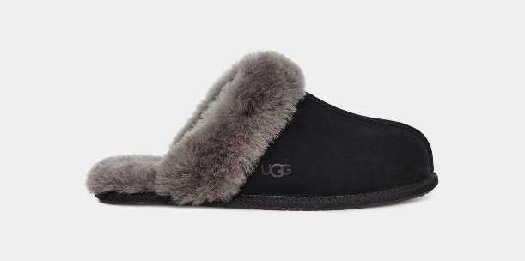 | 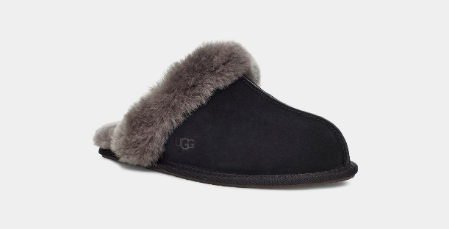 | 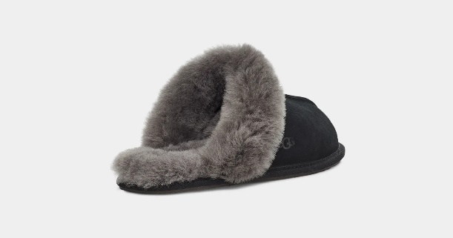 | 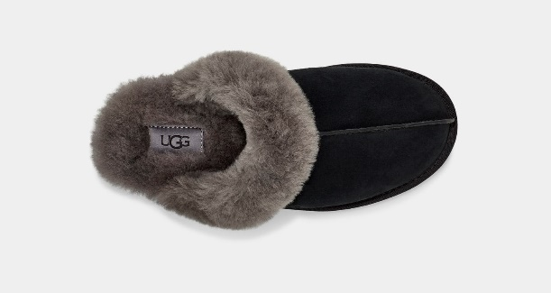 | YES | 1106872BCGR | BCGR | BLACK/GREY | SLIPPERS | SCUFFETTE II | SLIPPER | ADULT | FEMALE | UGG | VIETNAM | €114.95 | € 80.27 | 60 |  | 6 | 12 | 12 | 12 | 12 | 6
1122550 | 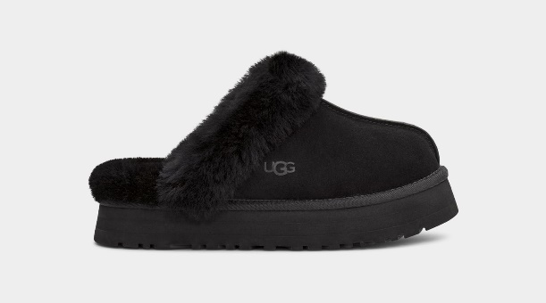 | 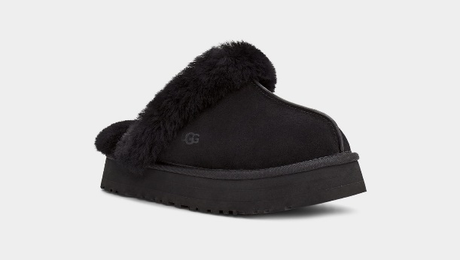 | 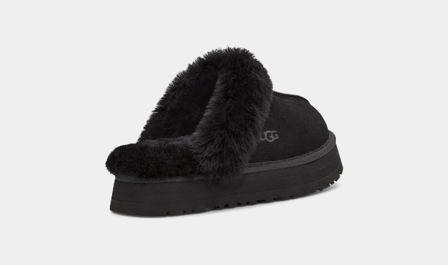 | 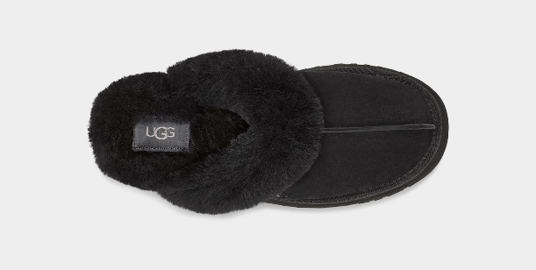 | YES | 1122550BLK | BLK | BLACK | SLIPPERS | DISQUETTE | SLIPPER | ADULT | FEMALE | UGG | VIETNAM | €119.95 | € 83.10 | 120 |  | 12 | 24 | 36 | 24 | 12 | 12

